Risk Ratings (Do Not Change)
LBP Threat Model - Risk Ratings (DO NOT CHANGE THIS SLIDE)
Project: |  | Semester Project
Course: |  | CECS 378 Section 04 - Spring 2021 Cappel
Last Updated: |  | 2/21/2021

Impact | Likelihood | Impact|Likelihood | Risk Rating
Severe - Widespread | Almost Certain | Severe - Widespread|Almost Certain | Critical
Severe - Widespread | Likely | Severe - Widespread|Likely | Critical
Severe - Widespread | Possible | Severe - Widespread|Possible | High
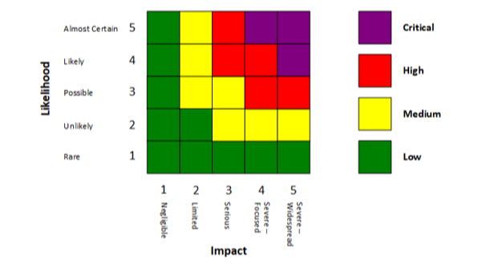
Severe - Widespread | Unlikely | Severe - Widespread|Unlikely | Medium
Severe - Widespread | Rare | Severe - Widespread|Rare | Low
Severe - Focused | Almost Certain | Severe - Focused|Almost Certain | Critical
Severe - Focused | Likely | Severe - Focused|Likely | High
Severe - Focused | Possible | Severe - Focused|Possible | High
Severe - Focused | Unlikely | Severe - Focused|Unlikely | Medium
Severe - Focused | Rare | Severe - Focused|Rare | Low
Serious | Almost Certain | Serious|Almost Certain | High
Serious | Likely | Serious|Likely | High
Serious | Possible | Serious|Possible | Medium
Serious | Unlikely | Serious|Unlikely | Medium
Serious | Rare | Serious|Rare | Low
Limited | Almost Certain | Limited|Almost Certain | Medium
Limited | Likely | Limited|Likely | Medium
Limited | Possible | Limited|Possible | Medium
Limited | Unlikely | Limited|Unlikely | Low
Limited | Rare | Limited|Rare | Low
Negligible | Almost Certain | Negligible|Almost Certain | Low
Negligible | Likely | Negligible|Likely | Low
Negligible | Possible | Negligible|Possible | Low
Negligible | Unlikely | Negligible|Unlikely | Low
Negligible | Rare | Negligible|Rare | Low
 |  | |
Note: Use the following to assist in determining the Impact rating:
Severe - Widespread | ==> | Customer Monetary Assets Compromised
Severe - Focused | ==> | Sensitive Customer Data Compromised
Serious | ==> | Sensitive LBFC Data Compromised
Limited | ==> | Cheapo Operations Affected, Service Affected
Negligible | ==> | Chreapo Operations or Services Not Affected

